Sheet1
STYLE NAME | COLOUR |  | UK 3 EU 36 | UK 4 EU 37 | UK 5 EU 38 | UK 6 EU 39 | UK 7 EU 40 | UK 8 EU 41 | TTL | PRE PACK / CTN QTY | RATIO
COSY 1 | TAN MICRO | 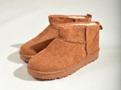 | 263 | 474 | 668 | 467 | 356 | 226 | 2454 | BLOCKED & PRE PACK | PRE PACK RATIO (3/2 4/4 5/6 6/6 7/4 8/2) = 24
COSY 1 | MOCHA MICRO | 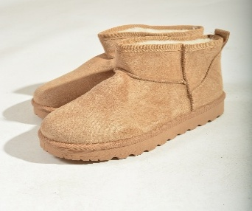 | 124 | 302 | 192 | 269 | 159 | 85 | 1131 | BLOCKED
COSY 1 | KHAKI MICRO | 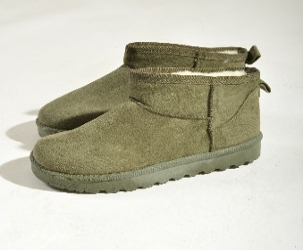 | 10 | 37 | 78 | 40 |  |  | 165 | BLOCKED
COSY 1 | BROWN MICRO |  | 9 | 22 |  |  |  |  | 31 | BLOCKED
COSY 1 | 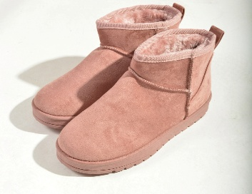 PINK MICRO |  | 22 | 44 | 82 | 80 | 44 | 22 | 294 | PRE PACK & BLOCKED | PRE PACK RATIO (3/2 4/4 5/6 6/6 7/4 8/2) = 24
COZY 2 | PINK MICRO | 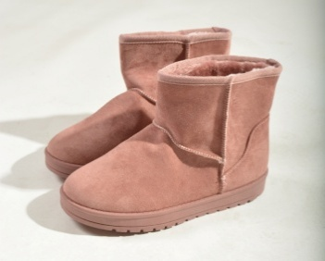 | 24 | 48 | 99 | 80 | 48 | 24 | 323 | 8X24, 4X28, 2 BLOCKED | PRE PACK RATIO (3/2 4/4 5/6 6/6 7/4 8/2) = 24 PRE PACK RATIO (3/2 4/4 5/8 6/8 7/4 8/2) = 28 & BLOCKED
COZY 2 | BEIGE | 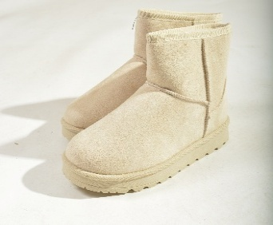 | 30 | 77 | 128 | 109 | 80 | 36 | 460 | BLOCKED
COZY 2 | KHAKI MICRO |  |  | 1 |  | 1 |  |  | 2 | BLOCKED
COSY 2 | TAN MICRO | 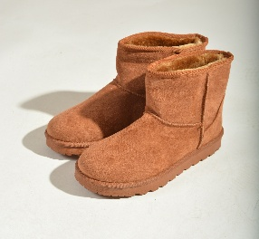 | 46 | 83 | 102 | 104 | 69 | 34 | 438 | BLOCKED & PRE PACK | PRE PACK RATIO (3/2 4/4 5/6 6/6 7/4 8/2) = 24
COSY 2 | MOCHA |  |  |  | 1 | 2 | 2 |  | 5
KOBI II | TAN MICRO | 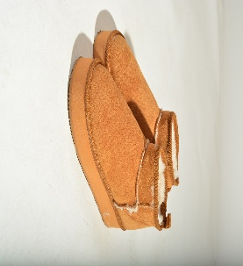 | 50 | 99 | 199 | 201 | 100 | 49 | 698 | 47x14 1X13 | PRE PACK (3/1 4/2 5/4 6/4 7/2 8/1) = 14
KOBI II | MOCHA | 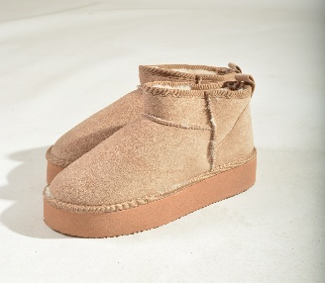 | 8 | 16 | 35 | 33 | 16 | 8 | 116 | 8X14 1X4 | PRE PACK (3/1 4/2 5/4 6/4 7/2 8/1) = 14
KOBI 91 | BLACK FUR | 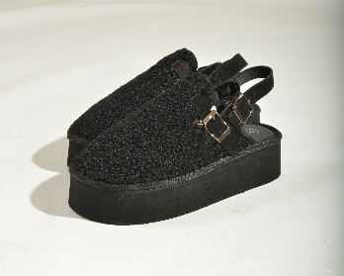 | 8 | 16 | 32 | 32 | 16 | 8 | 112 | 8X14 | PRE PACK (3/1 4/2 5/4 6/4 7/2 8/1) = 14
KOBI 90 | BLACK SUEDE | 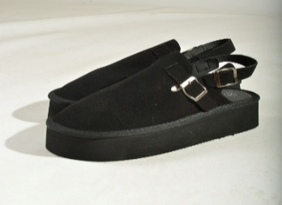 | 18 | 37 | 72 | 74 | 38 | 17 | 256 | 14X14 | PRE PACK (3/1 4/2 5/4 6/4 7/2 8/1) = 14
MOBI 4 | PINK MICRO | 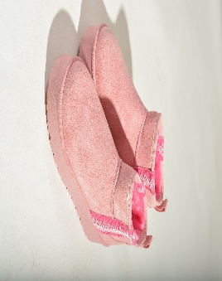 | 5 | 10 | 15 | 15 | 10 | 5 | 60 |  | PRE PACK RATIO (3/1 4/2 5/3 6/3 7/2 8/1)=12
MOBI 1 | MOCHA MICRO | 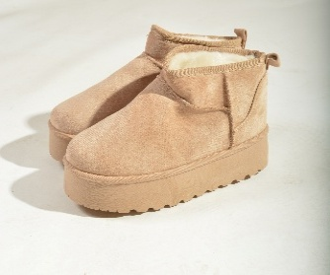 | 14 | 31 | 39 | 39 | 39 | 13 | 175 | 13X12 & BLOCKED | PRE PACK RATIO (3/1 4/2 5/3 6/3 7/2 8/1)=12
MOBI 1 | TAN MICRO | 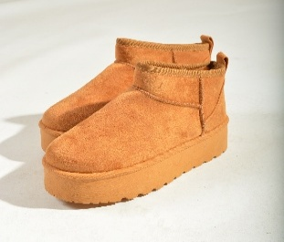 | 29 | 69 | 86 | 108 | 70 | 29 | 391 | 28X12 & BLOCKED | PRE PACK RATIO (3/1 4/2 5/3 6/3 7/2 8/1)=12
TAMMY 2 |  |  | 3 | 4 | 6 | 6 | 5 | 2 | 26 | PRE PACK | PRE PACK RATIO (3/1 4/2 5/3 6/3 7/2 8/1)=12
 |  |  |  |  |  |  |  |  | 7137

